Help
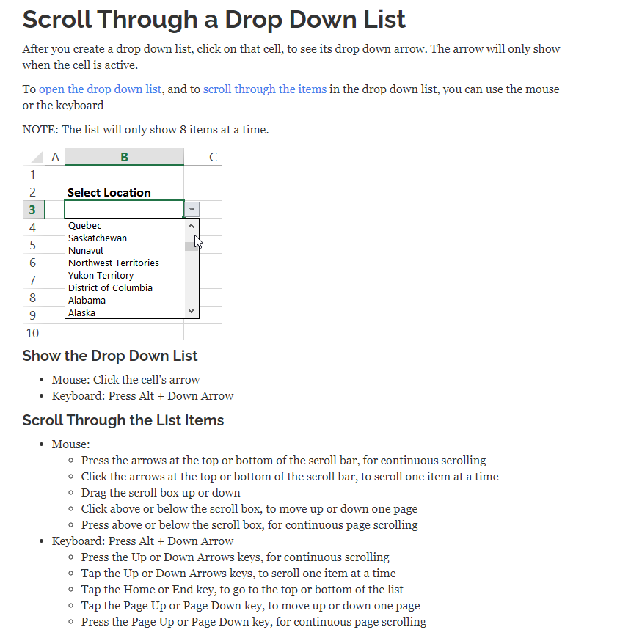
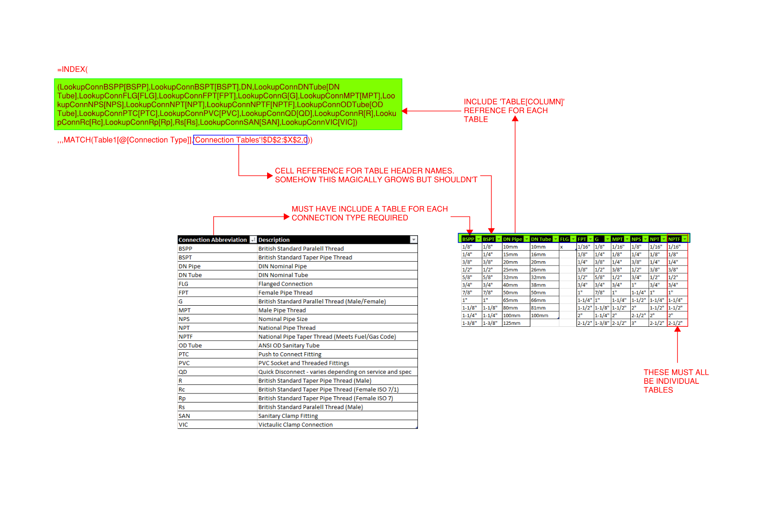
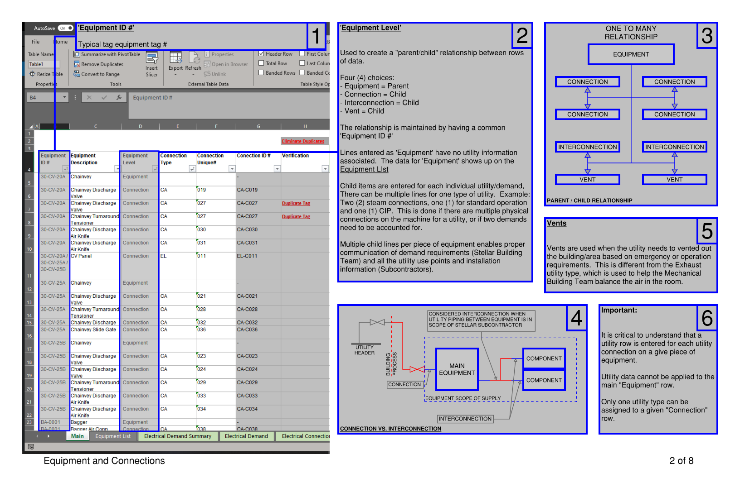
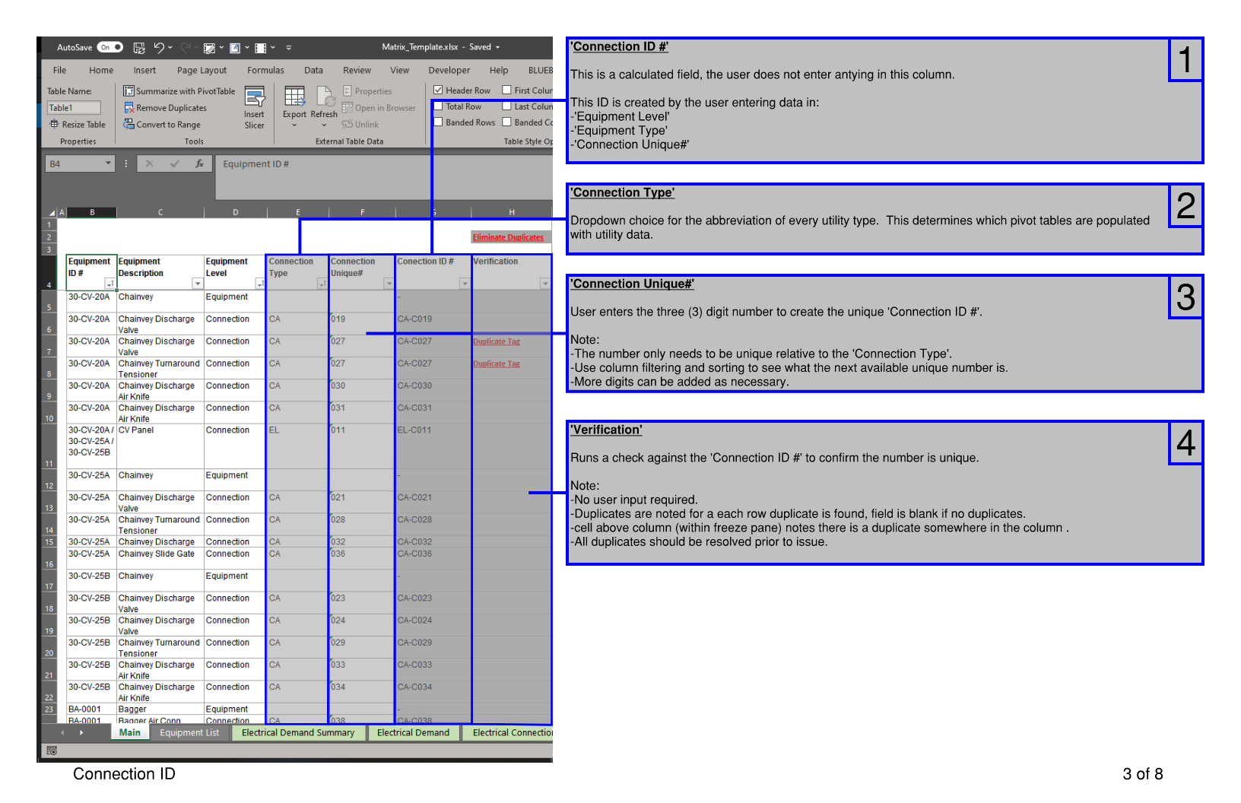
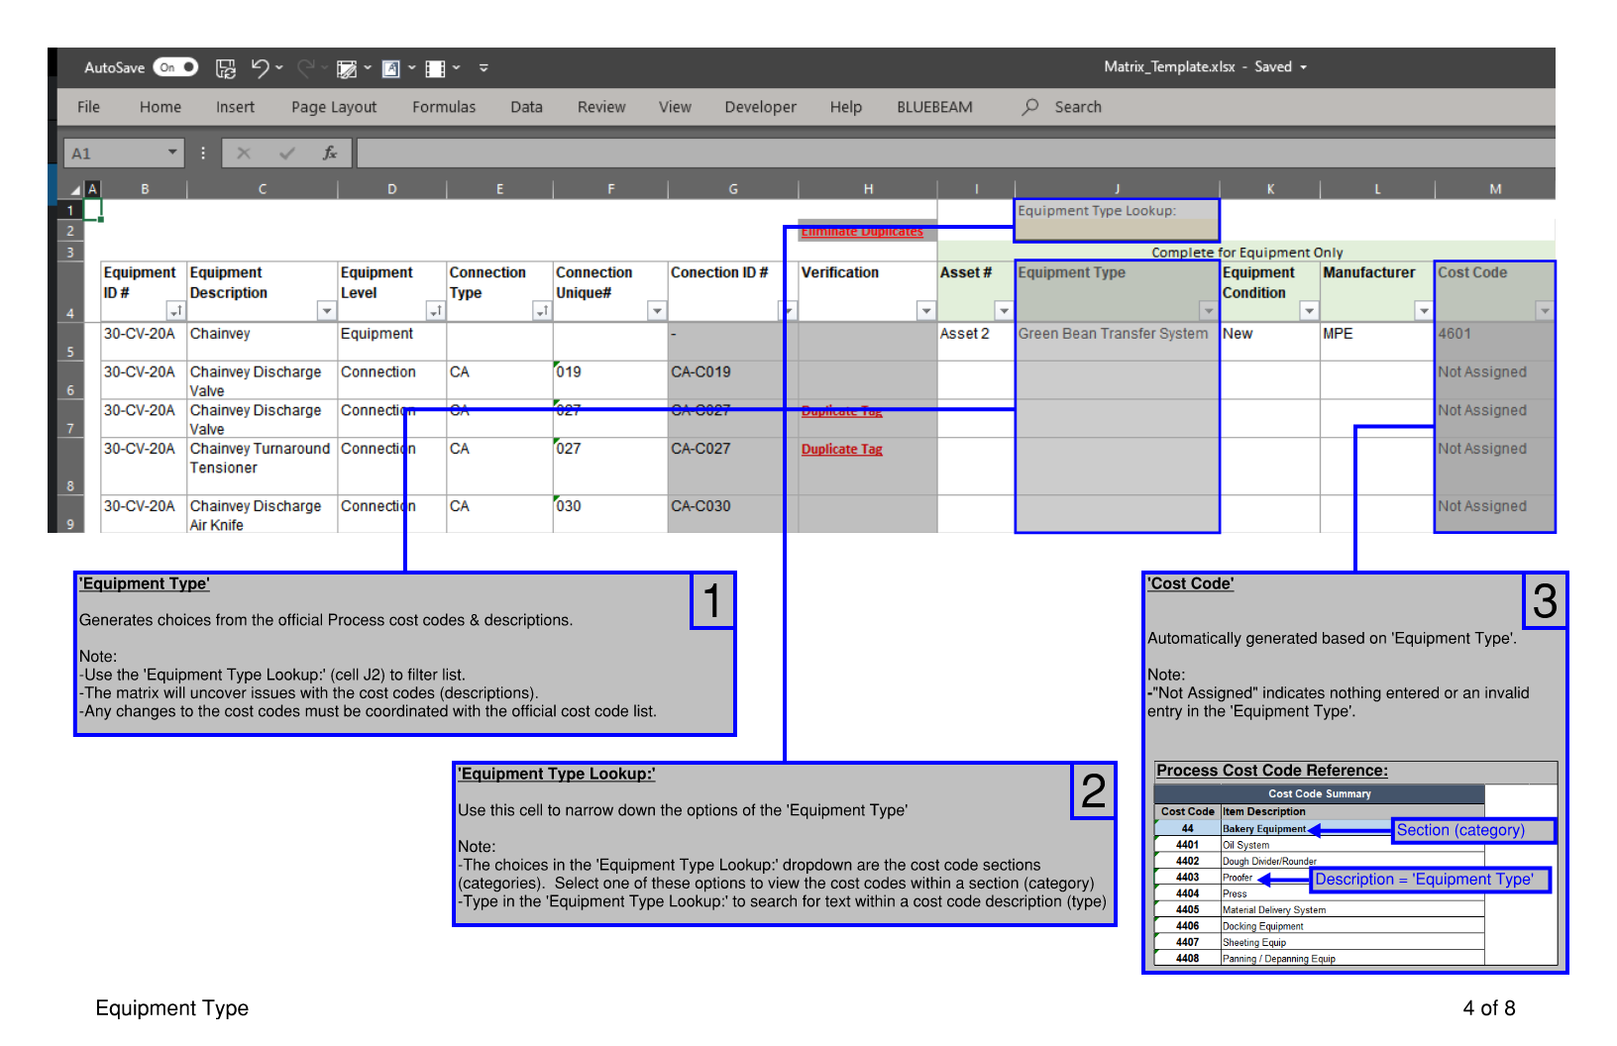
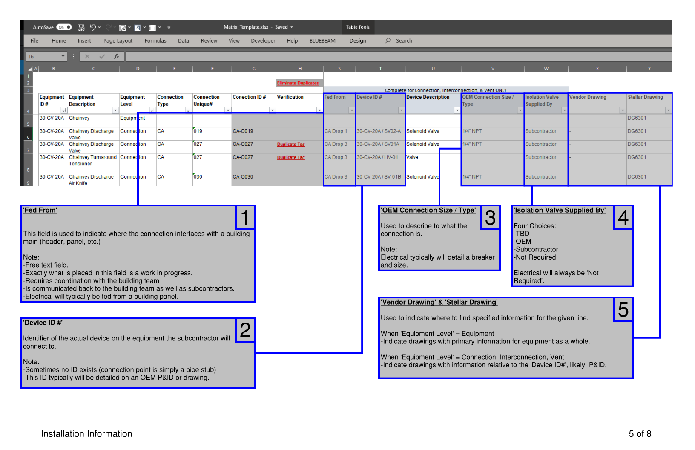
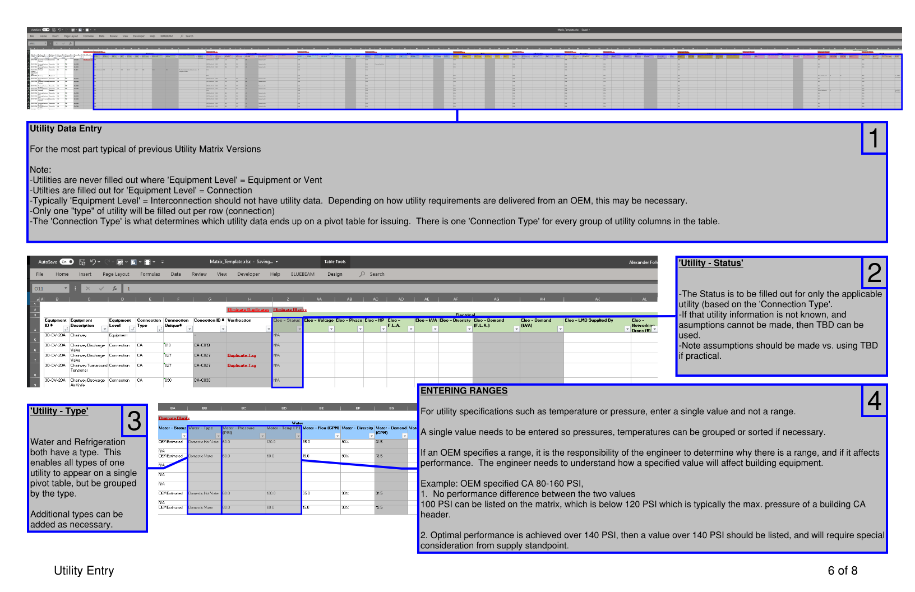
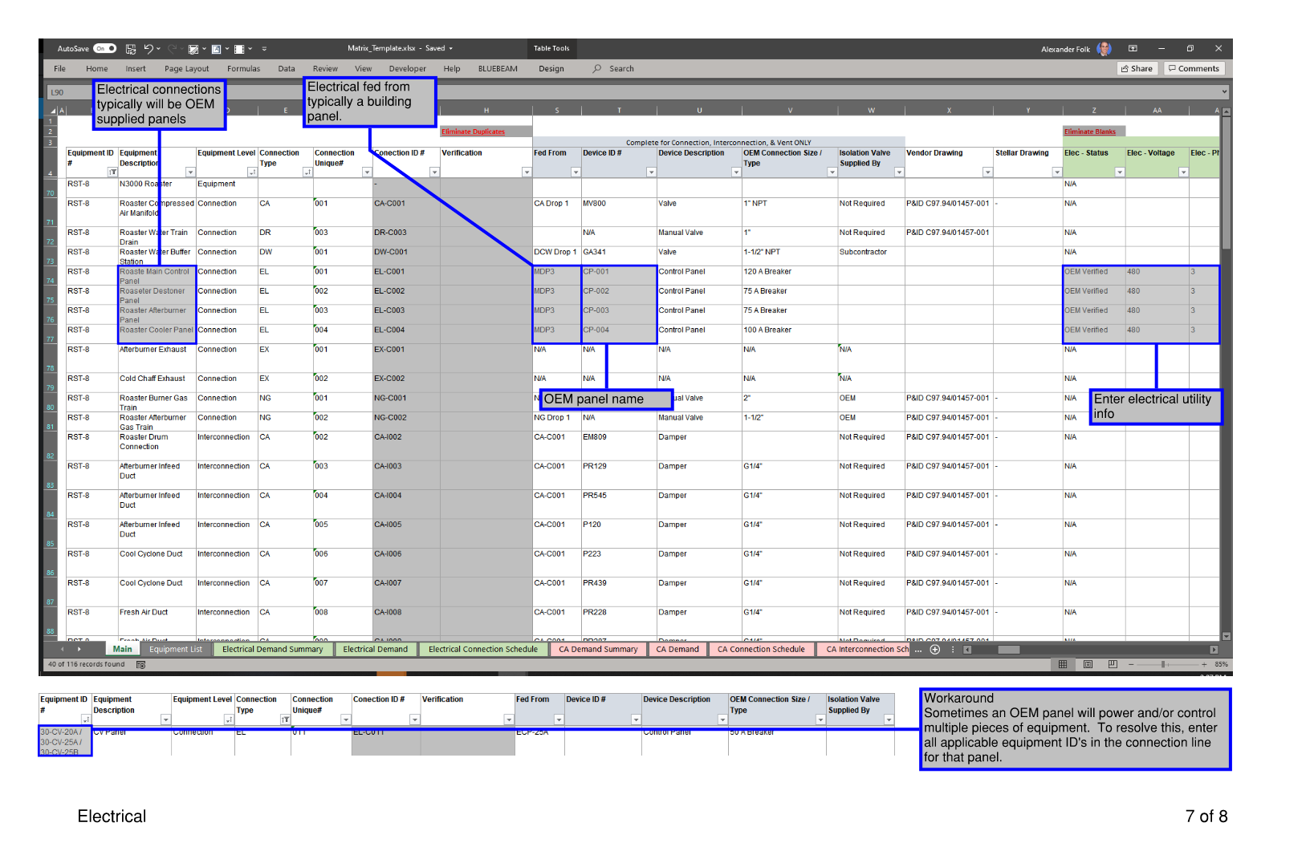
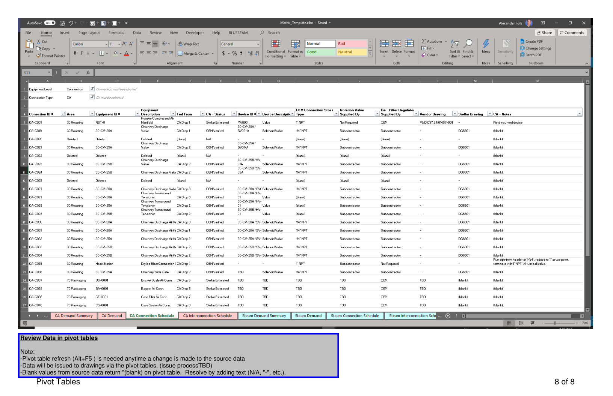
Matrix Instructions | Tips & Tricks |  | Connection Type Instruction

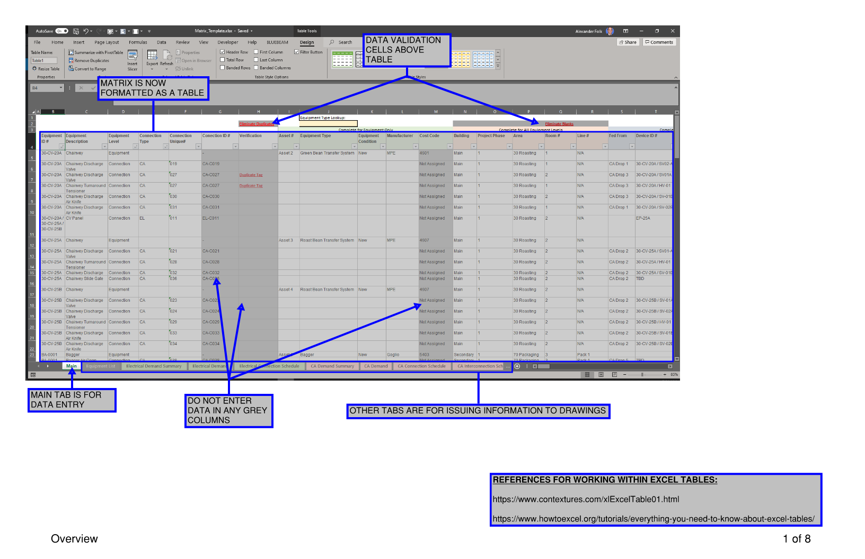
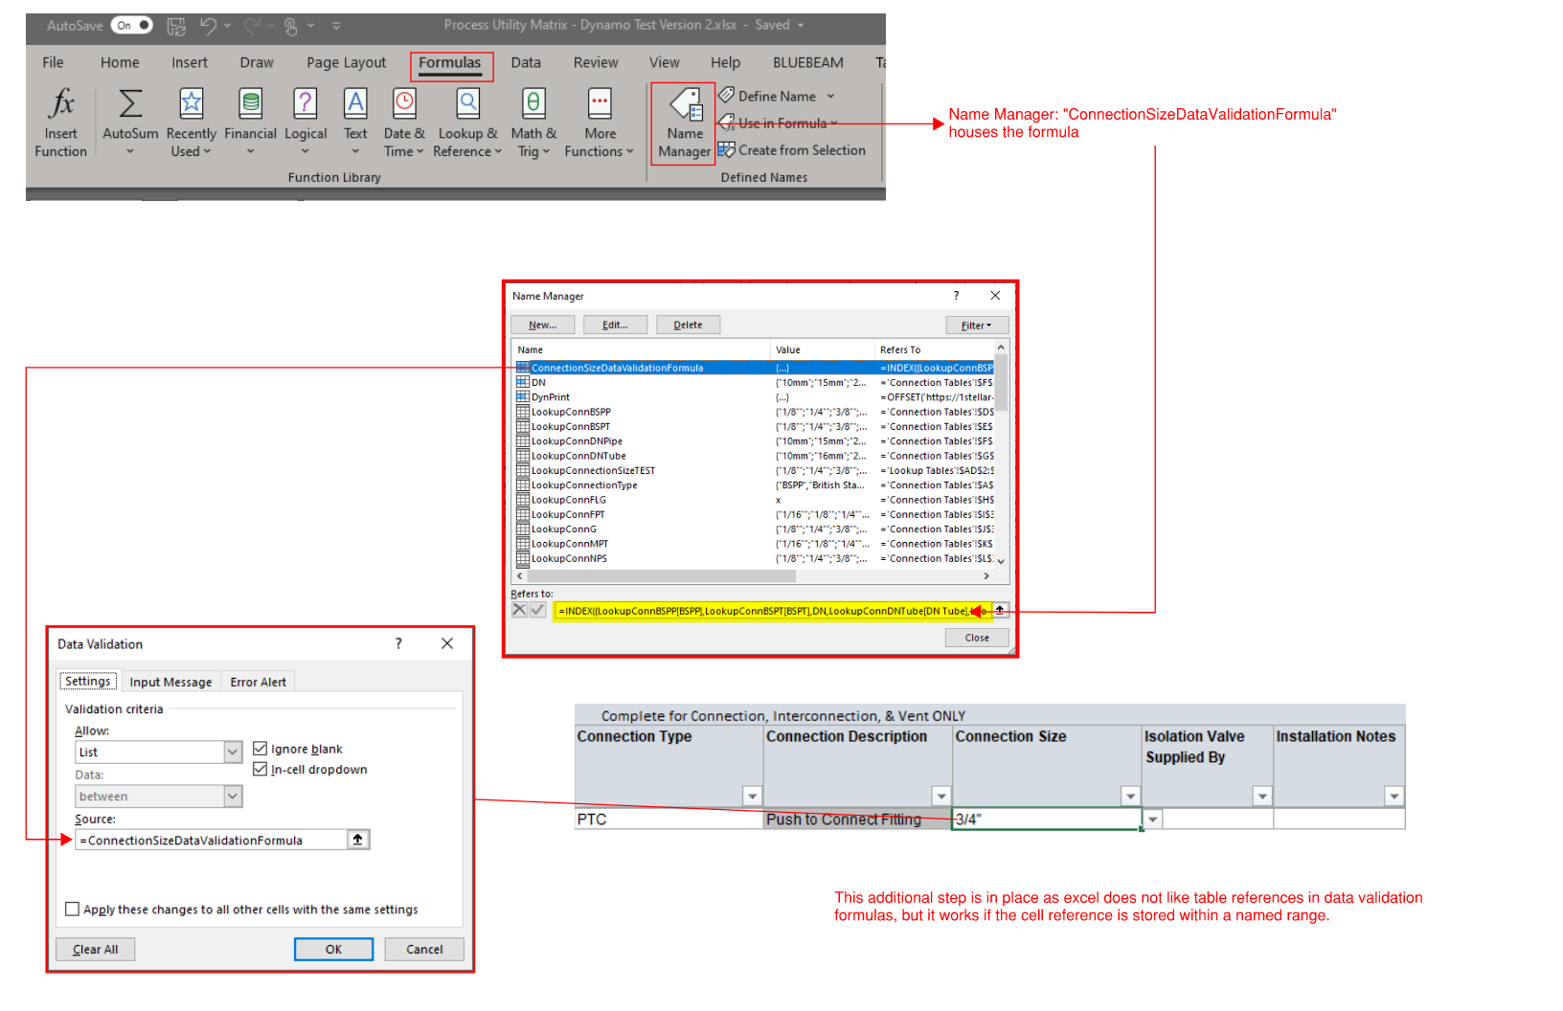
 | Add rows to a structuredExcel Table
 | Right Click > Insert > Table Row
 |  | If this doesn't work as expected, verify no columns are filtered

 | To add new data rows to the end of a table, use the Tab key. At the end of the last row, Tab will insert a new row below.

 | Type or paste data below the table. The table will automatically expand to include the pasted rows.

 | Drag table formatting from bottom right cell

 | Rows can be inserted in the middle of the table

